Sheet1
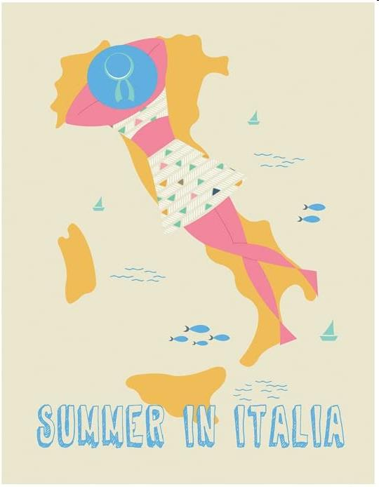
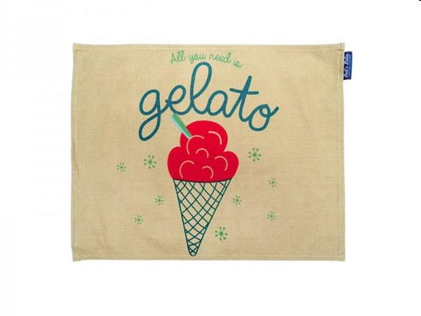
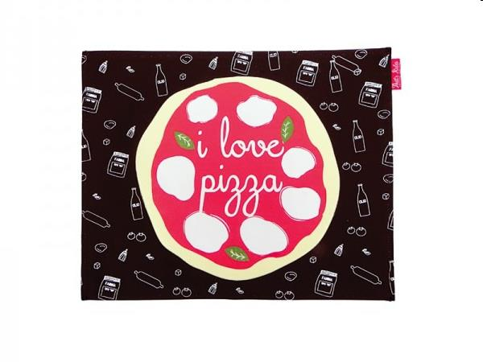
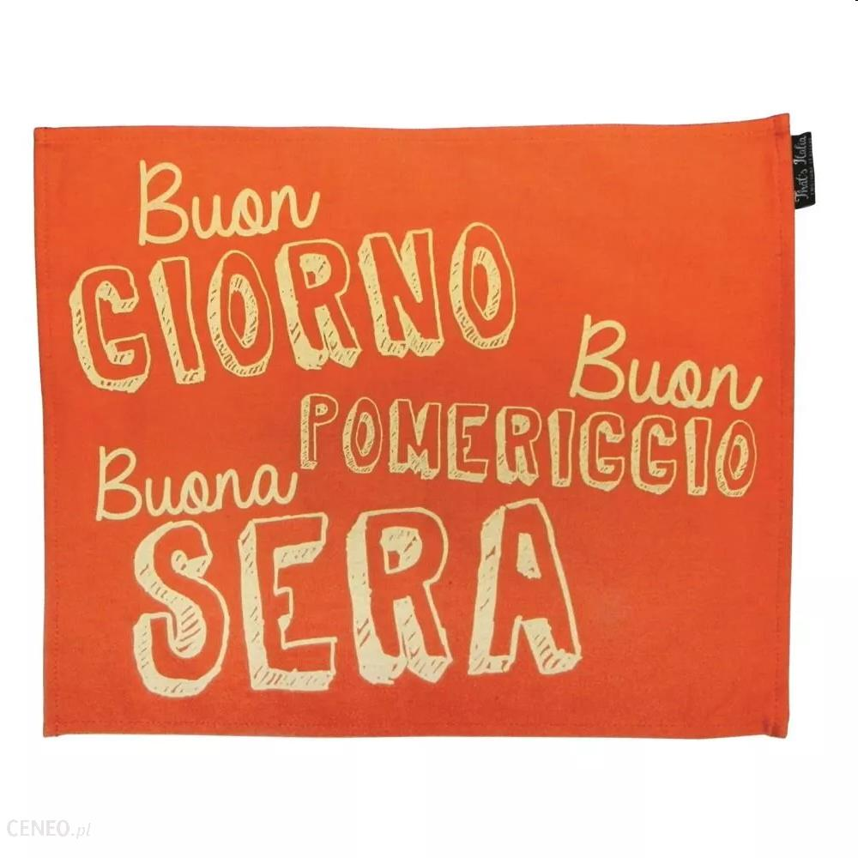
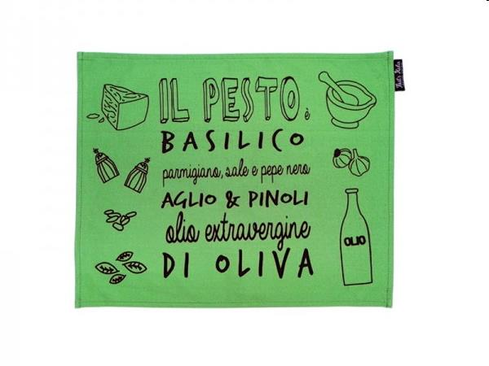
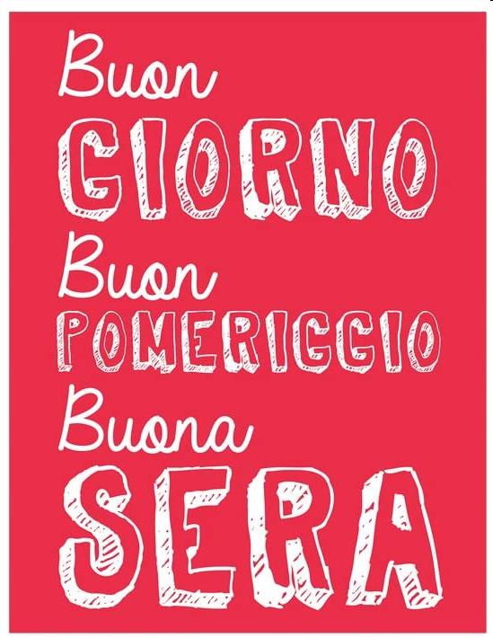
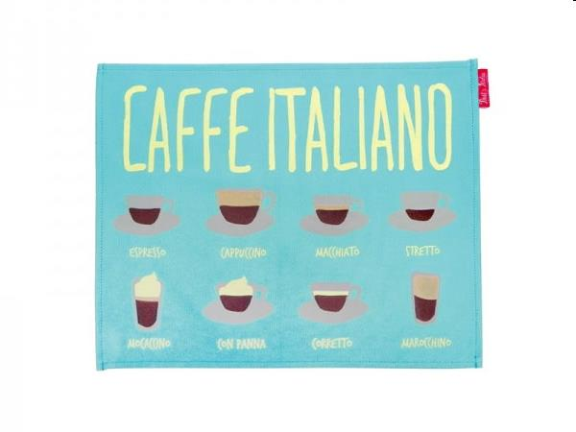
Picture | Item code | Description | Extra information | Restriction | Stock | Sales price EXW | Retail price | Barcode | Quantity PU | Quantity pallet | Pallet | Origin | Customs code | Item weight | Languages on package | Group
 | S-09824 | THAT'S ITALIA, Napkin "summer in italia" | THCV24 |  | 794 | 0.99 | 10 | 8028501083690 | 100 |  |  | CN | 63029100 | 0 |  | THAT'S ITALIA
 | S-09829 | THAT'S ITALIA, Placemat "gelato" | THCV35 |  | 541 | 0.99 | 6.9 | 8028501084093 | 100 |  |  | CN | 63025100 | 60 |  | THAT'S ITALIA
 | S-09828 | THAT'S ITALIA, Placemat "i love pizza" | THCV34 |  | 492 | 0.99 | 6.9 | 8028501084086 | 100 |  |  | CN | 63025100 | 60 |  | THAT'S ITALIA
 | S-09826 | THAT'S ITALIA, Placemat "buon giorno" | THCV32 |  | 442 | 0.99 | 6.9 | 8028501084062 | 100 |  |  | CN | 63025100 | 60 |  | THAT'S ITALIA
 | S-09827 | THAT'S ITALIA, Placemat "il pesto" | THCV33 |  | 341 | 0.99 | 6.9 | 8028501084079 | 100 |  |  | CN | 63025100 | 60 |  | THAT'S ITALIA
 | S-09823 | THAT'S ITALIA, Napkin "buon giorno..." | THCV22 |  | 291 | 0.99 | 10 | 8028501083676 | 100 |  |  | CN | 63029100 | 0 |  | THAT'S ITALIA
 | S-09830 | THAT'S ITALIA, Placemat "caffe italiano" | THCV36 |  | 291 | 0.99 | 6.9 | 8028501084109 | 100 |  |  | CN | 63025100 | 60 |  | THAT'S ITALIA

